General info
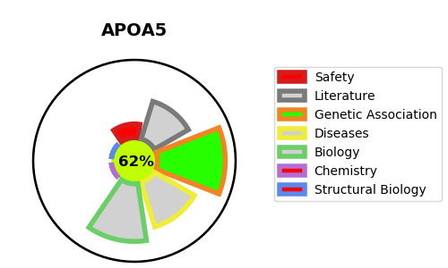
Gene_name | APOA5 | Tractable | Tractability_probability
Synonyms | RAP3 | True | 62.61
Target_id | Q6Q788 | In Training data set ?
Protein_class |  | No
Protein_class_desc
Species | Homo sapiens (Human).
Number_isoforms | 0

DISEASE |  | PATHWAYS
disease_id | disease_name | Reactome | KEGG
OMIM:144650 | HYPERLIPOPROTEINEMIA, TYPE V | Assembly of active LPL and LIPC lipase complexes
OMIM:145750 | HYPERTRIGLYCERIDEMIA, FAMILIAL | Chylomicron remodeling
 |  | Metabolism
 |  | Metabolism of lipids
 |  | Metabolism of proteins
 |  | PPARA activates gene expression
 |  | Plasma lipoprotein assembly, remodeling, and clearance
 |  | Plasma lipoprotein remodeling
 |  | Post-translational protein modification
 |  | Post-translational protein phosphorylation
 |  | Regulation of Insulin-like Growth Factor (IGF) transport and uptake by Insulin-like Growth Factor Binding Proteins (IGFBPs)
 |  | Regulation of lipid metabolism by PPARalpha
 |  | Transport of small molecules

