General info
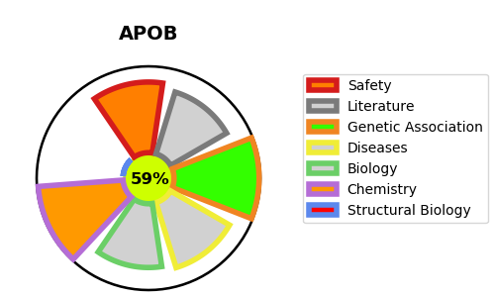
Gene_name | APOB | Tractable | Tractability_probability
Synonyms | APOB,Apo B-100,Apo B-48,Apolipoprotein B-100,Apolipoprotein B-48 | True | 59.67
Target_id | P04114 | In Training data set ?
Protein_class | Secreted protein | No
Protein_class_desc | secreted
Species | Homo sapiens (Human).
Number_isoforms | 0

DISEASE |  | PATHWAYS
disease_id | disease_name | Reactome | KEGG
OMIM:144010 | HYPERCHOLESTEROLEMIA, FAMILIAL, 2 | Binding and Uptake of Ligands by Scavenger Receptors
OMIM:615558 | HYPOBETALIPOPROTEINEMIA, FAMILIAL, 1 | Cargo recognition for clathrin-mediated endocytosis
 |  | Cell surface interactions at the vascular wall
 |  | Chylomicron assembly
 |  | Chylomicron clearance
 |  | Chylomicron remodeling
 |  | Clathrin-mediated endocytosis
 |  | G alpha (i) signalling events
 |  | GPCR downstream signalling
 |  | Hemostasis
 |  | Immune System
 |  | Innate Immune System
 |  | LDL clearance
 |  | LDL remodeling
 |  | Membrane Trafficking
 |  | Metabolism
 |  | Metabolism of fat-soluble vitamins
 |  | Metabolism of proteins
 |  | Metabolism of vitamins and cofactors
 |  | Plasma lipoprotein assembly
 |  | Plasma lipoprotein assembly, remodeling, and clearance
 |  | Plasma lipoprotein clearance
 |  | Plasma lipoprotein remodeling
 |  | Platelet homeostasis
 |  | Platelet sensitization by LDL
 |  | Post-translational protein modification
 |  | Post-translational protein phosphorylation
 |  | Regulation of Insulin-like Growth Factor (IGF) transport and uptake by Insulin-like Growth Factor Binding Proteins (IGFBPs)
 |  | Regulation of TLR by endogenous ligand
 |  | Retinoid metabolism and transport
 |  | Scavenging by Class A Receptors
 |  | Scavenging by Class B Receptors
 |  | Scavenging by Class F Receptors
 |  | Scavenging by Class H Receptors
 |  | Signal Transduction
 |  | Signaling by GPCR
 |  | Toll-like Receptor Cascades
 |  | Transport of small molecules
 |  | VLDL assembly
 |  | VLDL clearance
 |  | Vesicle-mediated transport
 |  | Visual phototransduction

