General info
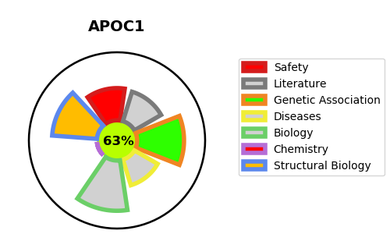
Gene_name | APOC1 | Tractable | Tractability_probability
Synonyms | Not found | True | 63.96
Target_id | P02654 | In Training data set ?
Protein_class |  | No
Protein_class_desc
Species | Homo sapiens (Human).
Number_isoforms | 0

DISEASE |  | PATHWAYS
disease_id | disease_name | Reactome | KEGG
 |  | NR1H2 and NR1H3-mediated signaling
 |  | NR1H3 & NR1H2 regulate gene expression linked to cholesterol transport and efflux
 |  | Plasma lipoprotein assembly
 |  | Plasma lipoprotein assembly, remodeling, and clearance
 |  | Plasma lipoprotein clearance
 |  | Signal Transduction
 |  | Signaling by Nuclear Receptors
 |  | Transport of small molecules
 |  | VLDL assembly
 |  | VLDL clearance

