General info
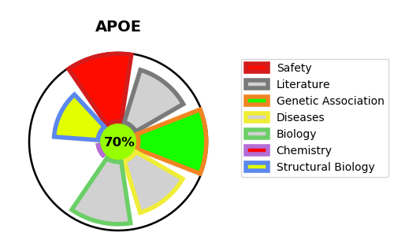
Gene_name | APOE | Tractable | Tractability_probability
Synonyms | Not found | True | 70.7
Target_id | P02649 | In Training data set ?
Protein_class |  | No
Protein_class_desc
Species | Homo sapiens (Human).
Number_isoforms | 0

DISEASE |  | PATHWAYS
disease_id | disease_name | Reactome | KEGG
OMIM:104310 | ALZHEIMER DISEASE 2 | Binding and Uptake of Ligands by Scavenger Receptors
OMIM:269600 | SEA-BLUE HISTIOCYTE DISEASE | Chylomicron assembly
OMIM:603075 | MACULAR DEGENERATION, AGE-RELATED, 1 | Chylomicron clearance
OMIM:606889 | ALZHEIMER DISEASE 4 | Chylomicron remodeling
OMIM:607822 | ALZHEIMER DISEASE 3 | G alpha (i) signalling events
OMIM:611771 | LIPOPROTEIN GLOMERULOPATHY | GPCR downstream signalling
OMIM:617347 | HYPERLIPOPROTEINEMIA, TYPE III | Gene expression (Transcription)
 |  | Generic Transcription Pathway
 |  | HDL remodeling
 |  | Metabolism
 |  | Metabolism of fat-soluble vitamins
 |  | Metabolism of proteins
 |  | Metabolism of vitamins and cofactors
 |  | NR1H2 and NR1H3-mediated signaling
 |  | NR1H3 & NR1H2 regulate gene expression linked to cholesterol transport and efflux
 |  | Nuclear signaling by ERBB4
 |  | Plasma lipoprotein assembly
 |  | Plasma lipoprotein assembly, remodeling, and clearance
 |  | Plasma lipoprotein clearance
 |  | Plasma lipoprotein remodeling
 |  | Post-translational protein modification
 |  | Post-translational protein phosphorylation
 |  | RNA Polymerase II Transcription
 |  | Regulation of Insulin-like Growth Factor (IGF) transport and uptake by Insulin-like Growth Factor Binding Proteins (IGFBPs)
 |  | Retinoid metabolism and transport
 |  | Scavenging by Class A Receptors
 |  | Signal Transduction
 |  | Signaling by ERBB4
 |  | Signaling by GPCR
 |  | Signaling by Nuclear Receptors
 |  | Signaling by Receptor Tyrosine Kinases
 |  | Transcriptional regulation by the AP-2 (TFAP2) family of transcription factors
 |  | Transport of small molecules
 |  | Vesicle-mediated transport
 |  | Visual phototransduction

