General info
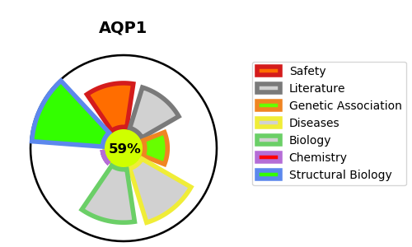
Gene_name | AQP1 | Tractable | Tractability_probability
Synonyms | CHIP28 | True | 59.45
Target_id | P29972 | In Training data set ?
Protein_class |  | No
Protein_class_desc
Species | Homo sapiens (Human).
Number_isoforms | 4

DISEASE |  | PATHWAYS
disease_id | disease_name | Reactome | KEGG
OMIM:110450 | BLOOD GROUP, COLTON SYSTEM | Aquaporin-mediated transport
 |  | Erythrocytes take up carbon dioxide and release oxygen
 |  | Erythrocytes take up oxygen and release carbon dioxide
 |  | O2/CO2 exchange in erythrocytes
 |  | Passive transport by Aquaporins
 |  | Transport of small molecules
 |  | Vasopressin regulates renal water homeostasis via Aquaporins

