General info
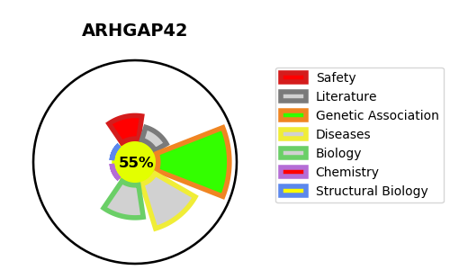
Gene_name | ARHGAP42 | Tractable | Tractability_probability
Synonyms | GRAF3 {ECO:0000303|PubMed:24335996}, TMEM133 {ECO:0000312|HGNC:HGNC:26545} | True | 55.55
Target_id | A6NI28 | In Training data set ?
Protein_class |  | No
Protein_class_desc
Species | Homo sapiens (Human).
Number_isoforms | 0

DISEASE |  | PATHWAYS
disease_id | disease_name | Reactome | KEGG
 |  | Rho GTPase cycle
 |  | Signal Transduction
 |  | Signaling by Rho GTPases

