General info
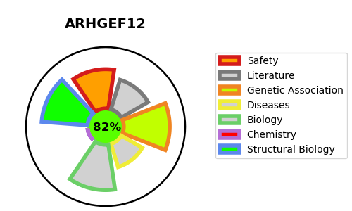
Gene_name | ARHGEF12 | Tractable | Tractability_probability
Synonyms | KIAA0382, LARG | True | 82.58
Target_id | Q9NZN5 | In Training data set ?
Protein_class |  | No
Protein_class_desc
Species | Homo sapiens (Human).
Number_isoforms | 2

DISEASE |  | PATHWAYS
disease_id | disease_name | Reactome | KEGG
 |  | Axon guidance
 |  | Cell death signalling via NRAGE, NRIF and NADE
 |  | Death Receptor Signalling
 |  | Developmental Biology
 |  | G alpha (12/13) signalling events
 |  | GPCR downstream signalling
 |  | NRAGE signals death through JNK
 |  | Nervous system development
 |  | Rho GTPase cycle
 |  | Sema4D in semaphorin signaling
 |  | Sema4D induced cell migration and growth-cone collapse
 |  | Semaphorin interactions
 |  | Signal Transduction
 |  | Signaling by GPCR
 |  | Signaling by Rho GTPases
 |  | p75 NTR receptor-mediated signalling

