General info
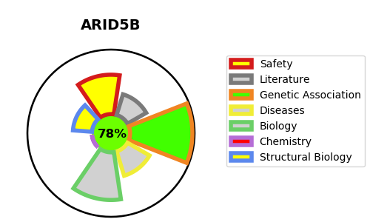
Gene_name | ARID5B | Tractable | Tractability_probability
Synonyms | DESRT, MRF2 | True | 78.88
Target_id | Q14865 | In Training data set ?
Protein_class |  | Yes
Protein_class_desc
Species | Homo sapiens (Human).
Number_isoforms | 3

DISEASE |  | PATHWAYS
disease_id | disease_name | Reactome | KEGG
 |  | Chromatin modifying enzymes
 |  | Chromatin organization
 |  | HDMs demethylate histones

