General info
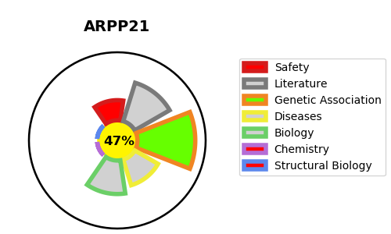
Gene_name | ARPP21 | Tractable | Tractability_probability
Synonyms | TARPP | False | 47.86
Target_id | Q9UBL0 | In Training data set ?
Protein_class |  | No
Protein_class_desc
Species | Homo sapiens (Human).
Number_isoforms | 6

DISEASE |  | PATHWAYS
disease_id | disease_name | Reactome | KEGG

