General info
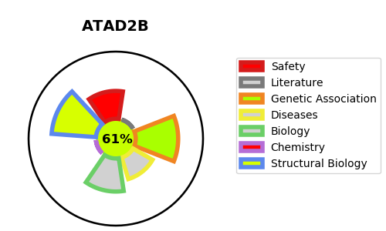
Gene_name | ATAD2B | Tractable | Tractability_probability
Synonyms | ATAD2B,ATPase family AAA domain-containing protein 2B,KIAA1240 | True | 61.08
Target_id | Q9ULI0 | In Training data set ?
Protein_class | Bromodomain | No
Protein_class_desc | epigenetic regulator -> reader -> brd
Species | Homo sapiens (Human).
Number_isoforms | 2

DISEASE |  | PATHWAYS
disease_id | disease_name | Reactome | KEGG

