General info
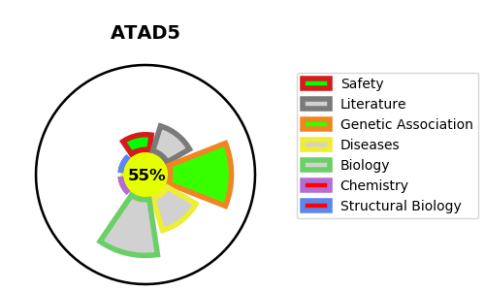
Gene_name | ATAD5 | Tractable | Tractability_probability
Synonyms | ATAD5,ATPase family AAA domain-containing protein 5,C17orf41,Chromosome fragility-associated gene 1 protein,FRAG1 | True | 55.03
Target_id | Q96QE3 | In Training data set ?
Protein_class | Unclassified protein | No
Protein_class_desc | unclassified
Species | Homo sapiens (Human).
Number_isoforms | 2

DISEASE |  | PATHWAYS
disease_id | disease_name | Reactome | KEGG

