General info
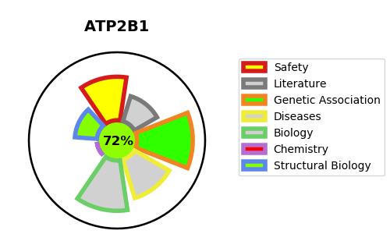
Gene_name | ATP2B1 | Tractable | Tractability_probability
Synonyms | PMCA1 {ECO:0000303|PubMed:8396145} | True | 72.15
Target_id | P20020 | In Training data set ?
Protein_class |  | No
Protein_class_desc
Species | Homo sapiens (Human).
Number_isoforms | 6

DISEASE |  | PATHWAYS
disease_id | disease_name | Reactome | KEGG
 |  | Cardiac conduction
 |  | Hemostasis
 |  | Ion channel transport
 |  | Ion homeostasis
 |  | Ion transport by P-type ATPases
 |  | Muscle contraction
 |  | Platelet calcium homeostasis
 |  | Platelet homeostasis
 |  | Reduction of cytosolic Ca++ levels
 |  | Transport of small molecules

