General info
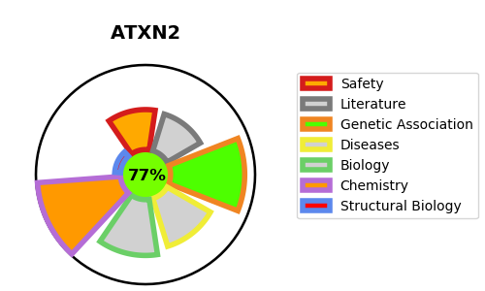
Gene_name | ATXN2 | Tractable | Tractability_probability
Synonyms | ATX2,ATXN2,Ataxin-2,SCA2,Spinocerebellar ataxia type 2 protein,TNRC13,Trinucleotide repeat-containing gene 13 protein | True | 77.2
Target_id | Q99700 | In Training data set ?
Protein_class | Unclassified protein | No
Protein_class_desc | unclassified
Species | Homo sapiens (Human).
Number_isoforms | 5

DISEASE |  | PATHWAYS
disease_id | disease_name | Reactome | KEGG
OMIM:168600 | PARKINSON DISEASE, LATE-ONSET
OMIM:183090 | SPINOCEREBELLAR ATAXIA 2

