General info
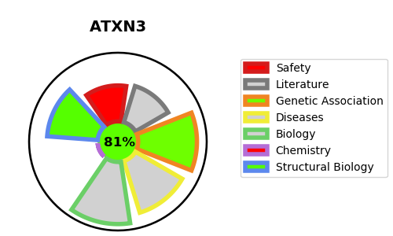
Gene_name | ATXN3 | Tractable | Tractability_probability
Synonyms | ATX3, MJD, MJD1, SCA3 | True | 81.95
Target_id | P54252 | In Training data set ?
Protein_class |  | No
Protein_class_desc
Species | Homo sapiens (Human).
Number_isoforms | 5

DISEASE |  | PATHWAYS
disease_id | disease_name | Reactome | KEGG
OMIM:109150 | MACHADO-JOSEPH DISEASE | Deubiquitination
 |  | FOXO-mediated transcription
 |  | FOXO-mediated transcription of oxidative stress, metabolic and neuronal genes
 |  | Gene expression (Transcription)
 |  | Generic Transcription Pathway
 |  | Josephin domain DUBs
 |  | Metabolism of proteins
 |  | Post-translational protein modification
 |  | RNA Polymerase II Transcription

