General info
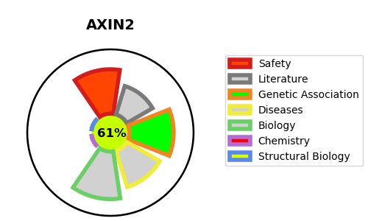
Gene_name | AXIN2 | Tractable | Tractability_probability
Synonyms | AXIN2,Axil,Axin-2,Axin-like protein,Axis inhibition protein 2,Conductin | True | 61.54
Target_id | Q9Y2T1 | In Training data set ?
Protein_class | Unclassified protein | No
Protein_class_desc | unclassified
Species | Homo sapiens (Human).
Number_isoforms | 0

DISEASE |  | PATHWAYS
disease_id | disease_name | Reactome | KEGG
OMIM:114500 | COLORECTAL CANCER | Binding of TCF/LEF:CTNNB1 to target gene promoters
OMIM:608615 | OLIGODONTIA-COLORECTAL CANCER SYNDROME | Degradation of AXIN
 |  | Deubiquitination
 |  | Formation of the beta-catenin:TCF transactivating complex
 |  | Metabolism of proteins
 |  | Post-translational protein modification
 |  | Signal Transduction
 |  | Signaling by WNT
 |  | TCF dependent signaling in response to WNT
 |  | Ub-specific processing proteases

