General info
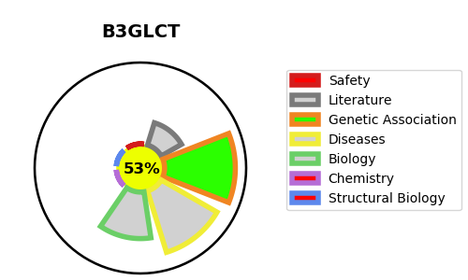
Gene_name | B3GLCT | Tractable | Tractability_probability
Synonyms | B3GALTL, B3GTL | True | 53.71
Target_id | Q6Y288 | In Training data set ?
Protein_class |  | No
Protein_class_desc
Species | Homo sapiens (Human).
Number_isoforms | 0

DISEASE |  | PATHWAYS
disease_id | disease_name | Reactome | KEGG
OMIM:261540 | PETERS-PLUS SYNDROME | Defective B3GALTL causes Peters-plus syndrome (PpS)
 |  | Disease
 |  | Diseases associated with O-glycosylation of proteins
 |  | Diseases of glycosylation
 |  | Diseases of metabolism
 |  | Metabolism of proteins
 |  | O-glycosylation of TSR domain-containing proteins
 |  | O-linked glycosylation
 |  | Post-translational protein modification

