General info
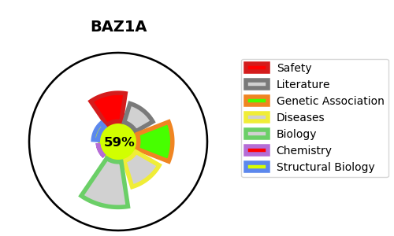
Gene_name | BAZ1A | Tractable | Tractability_probability
Synonyms | ACF1,ATP-dependent chromatin-remodeling protein,ATP-utilizing chromatin assembly and remodeling factor 1,BAZ1A,Bromodomain adjacent to zinc finger domain protein 1A,CHRAC subunit ACF1,WCRF180,WCRF180 ,Williams syndrome transcription factor-related chromatin-remodeling factor 180,hACF1,hWALp1 | True | 59.02
Target_id | Q9NRL2 | In Training data set ?
Protein_class | Unclassified protein | No
Protein_class_desc | unclassified
Species | Homo sapiens (Human).
Number_isoforms | 2

DISEASE |  | PATHWAYS
disease_id | disease_name | Reactome | KEGG

