General info
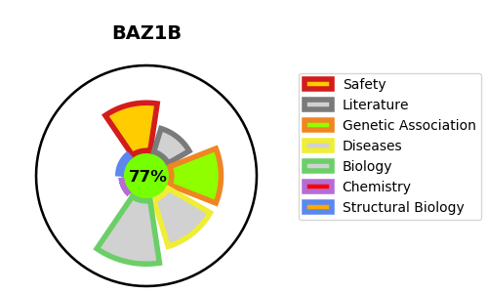
Gene_name | BAZ1B | Tractable | Tractability_probability
Synonyms | 2.7.10.2,BAZ1B,Bromodomain adjacent to zinc finger domain protein 1B,Tyrosine-protein kinase BAZ1B,WBSC10,WBSCR10,WBSCR9,WSTF,Williams syndrome transcription factor,Williams-Beuren syndrome chromosomal region 10 protein,Williams-Beuren syndrome chromosomal region 9 protein,hWALp2 | True | 77.17
Target_id | Q9UIG0 | In Training data set ?
Protein_class | Transferase | No
Protein_class_desc | enzyme -> transferase
Species | Homo sapiens (Human).
Number_isoforms | 2

DISEASE |  | PATHWAYS
disease_id | disease_name | Reactome | KEGG
 |  | B-WICH complex positively regulates rRNA expression
 |  | DNA Double Strand Break Response
 |  | DNA Double-Strand Break Repair
 |  | DNA Repair
 |  | Epigenetic regulation of gene expression
 |  | Gene expression (Transcription)
 |  | Positive epigenetic regulation of rRNA expression
 |  | Recruitment and ATM-mediated phosphorylation of repair and signaling proteins at DNA double strand breaks

