General info
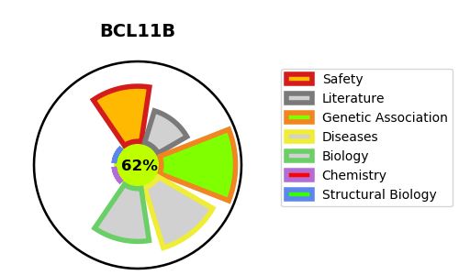
Gene_name | BCL11B | Tractable | Tractability_probability
Synonyms | CTIP2, RIT1 | True | 62.75
Target_id | Q9C0K0 | In Training data set ?
Protein_class |  | No
Protein_class_desc
Species | Homo sapiens (Human).
Number_isoforms | 2

DISEASE |  | PATHWAYS
disease_id | disease_name | Reactome | KEGG
OMIM:617237 | IMMUNODEFICIENCY 49
OMIM:618092 | INTELLECTUAL DEVELOPMENTAL DISORDER WITH SPEECH DELAY, DYSMORPHIC FACIES, AND T-CELL ABNORMALITIES

