General info
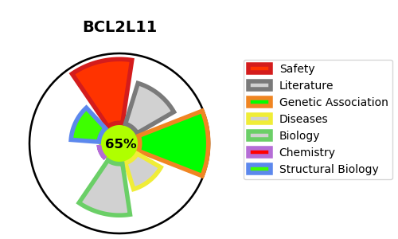
Gene_name | BCL2L11 | Tractable | Tractability_probability
Synonyms | BCL2L11,BIM,Bcl-2-like protein 11,Bcl2-L-11,Bcl2-interacting mediator of cell death | True | 65.81
Target_id | O43521 | In Training data set ?
Protein_class | Unclassified protein | Yes
Protein_class_desc | unclassified
Species | Homo sapiens (Human).
Number_isoforms | 20

DISEASE |  | PATHWAYS
disease_id | disease_name | Reactome | KEGG
 |  | Activation of BH3-only proteins
 |  | Activation of BIM and translocation to mitochondria
 |  | Apoptosis
 |  | BH3-only proteins associate with and inactivate anti-apoptotic BCL-2 members
 |  | Cell death signalling via NRAGE, NRIF and NADE
 |  | Death Receptor Signalling
 |  | Deregulated CDK5 triggers multiple neurodegenerative pathways in Alzheimer's disease models
 |  | Disease
 |  | Diseases of programmed cell death
 |  | Diseases of signal transduction by growth factor receptors and second messengers
 |  | FOXO-mediated transcription
 |  | FOXO-mediated transcription of cell death genes
 |  | Gene expression (Transcription)
 |  | Generic Transcription Pathway
 |  | Intrinsic Pathway for Apoptosis
 |  | NRAGE signals death through JNK
 |  | Neurodegenerative Diseases
 |  | Oncogenic MAPK signaling
 |  | Programmed Cell Death
 |  | RNA Polymerase II Transcription
 |  | RUNX3 regulates BCL2L11 (BIM) transcription
 |  | Signal Transduction
 |  | Signaling by BRAF and RAF fusions
 |  | Transcriptional regulation by RUNX3
 |  | p75 NTR receptor-mediated signalling

