General info
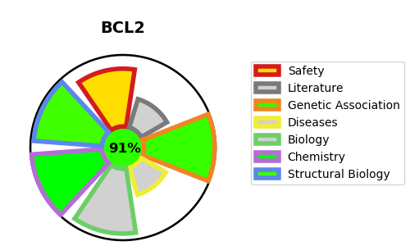
Gene_name | BCL2 | Tractable | Tractability_probability
Synonyms | Apoptosis regulator Bcl-2,BCL2 | True | 91.35
Target_id | P10415 | In Training data set ?
Protein_class | Bcl-2 family | No
Protein_class_desc | ion channel -> other -> misc -> bcl-2
Species | Homo sapiens (Human).
Number_isoforms | 2

DISEASE |  | PATHWAYS
disease_id | disease_name | Reactome | KEGG
 |  | Activation of BAD and translocation to mitochondria
 |  | Activation of BH3-only proteins
 |  | Apoptosis
 |  | BH3-only proteins associate with and inactivate anti-apoptotic BCL-2 members
 |  | Cytokine Signaling in Immune system
 |  | ESR-mediated signaling
 |  | Estrogen-dependent gene expression
 |  | Estrogen-dependent nuclear events downstream of ESR-membrane signaling
 |  | Extra-nuclear estrogen signaling
 |  | Immune System
 |  | Inflammasomes
 |  | Innate Immune System
 |  | Interleukin-4 and Interleukin-13 signaling
 |  | Intrinsic Pathway for Apoptosis
 |  | Nucleotide-binding domain, leucine rich repeat containing receptor (NLR) signaling pathways
 |  | Programmed Cell Death
 |  | Signal Transduction
 |  | Signaling by Interleukins
 |  | Signaling by Nuclear Receptors
 |  | The NLRP1 inflammasome

