General info
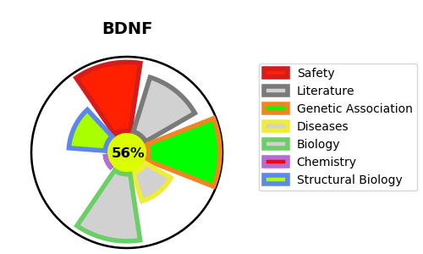
Gene_name | BDNF | Tractable | Tractability_probability
Synonyms | Not found | True | 56.88
Target_id | P23560 | In Training data set ?
Protein_class |  | No
Protein_class_desc
Species | Homo sapiens (Human).
Number_isoforms | 5

DISEASE |  | PATHWAYS
disease_id | disease_name | Reactome | KEGG
 |  | Activated NTRK2 signals through CDK5
 |  | Activated NTRK2 signals through FRS2 and FRS3
 |  | Activated NTRK2 signals through FYN
 |  | Activated NTRK2 signals through PI3K
 |  | Activated NTRK2 signals through PLCG1
 |  | Activated NTRK2 signals through RAS
 |  | BDNF activates NTRK2 (TRKB) signaling
 |  | Gene expression (Transcription)
 |  | Generic Transcription Pathway
 |  | MECP2 regulates transcription of neuronal ligands
 |  | NTRK2 activates RAC1
 |  | RNA Polymerase II Transcription
 |  | Signal Transduction
 |  | Signaling by NTRK2 (TRKB)
 |  | Signaling by NTRKs
 |  | Signaling by Receptor Tyrosine Kinases
 |  | Transcriptional Regulation by MECP2

