General info
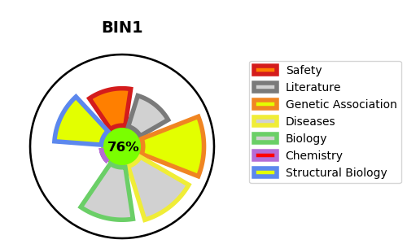
Gene_name | BIN1 | Tractable | Tractability_probability
Synonyms | AMPHL | True | 76.1
Target_id | O00499 | In Training data set ?
Protein_class |  | No
Protein_class_desc
Species | Homo sapiens (Human).
Number_isoforms | 11

DISEASE |  | PATHWAYS
disease_id | disease_name | Reactome | KEGG
OMIM:255200 | MYOPATHY, CENTRONUCLEAR, 2 | Clathrin-mediated endocytosis
 |  | Membrane Trafficking
 |  | Vesicle-mediated transport

