General info
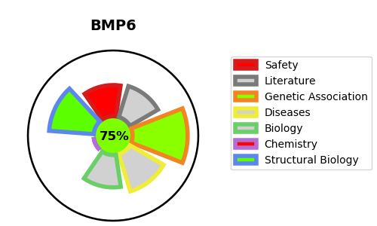
Gene_name | BMP6 | Tractable | Tractability_probability
Synonyms | BMP-6,BMP6,Bone morphogenetic protein 6,VG-1-R,VG-1-related protein,VGR,VGR-1 | True | 75.64
Target_id | P22004 | In Training data set ?
Protein_class | Metallo protease M12A subfamily | No
Protein_class_desc | enzyme -> protease -> metallo -> mam -> m12a
Species | Homo sapiens (Human).
Number_isoforms | 0

DISEASE |  | PATHWAYS
disease_id | disease_name | Reactome | KEGG

