General info
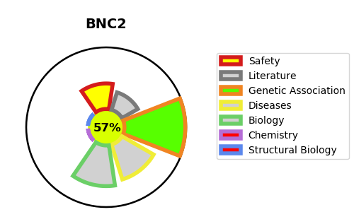
Gene_name | BNC2 | Tractable | Tractability_probability
Synonyms | Not found | True | 57.74
Target_id | Q6ZN30 | In Training data set ?
Protein_class |  | No
Protein_class_desc
Species | Homo sapiens (Human).
Number_isoforms | 2

DISEASE |  | PATHWAYS
disease_id | disease_name | Reactome | KEGG
OMIM:618612 | LOWER URINARY TRACT OBSTRUCTION, CONGENITAL

