General info
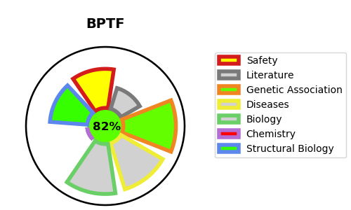
Gene_name | BPTF | Tractable | Tractability_probability
Synonyms | BPTF,Bromodomain and PHD finger-containing transcription factor,FAC1,FALZ,Fetal Alz-50 clone 1 protein,Fetal Alzheimer antigen,Nucleosome-remodeling factor subunit BPTF | True | 82.42
Target_id | Q12830 | In Training data set ?
Protein_class | Bromodomain | No
Protein_class_desc | epigenetic regulator -> reader -> brd
Species | Homo sapiens (Human).
Number_isoforms | 3

DISEASE |  | PATHWAYS
disease_id | disease_name | Reactome | KEGG
OMIM:617755 | NEURODEVELOPMENTAL DISORDER WITH DYSMORPHIC FACIES AND DISTAL LIMB ANOMALIES

