General info
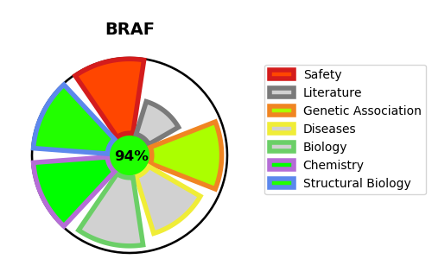
Gene_name | BRAF | Tractable | Tractability_probability
Synonyms | 2.7.11.1,BRAF,BRAF1,Proto-oncogene B-Raf,RAFB1,Serine/threonine-protein kinase B-raf,p94,v-Raf murine sarcoma viral oncogene homolog B1 | True | 94.01
Target_id | P15056 | In Training data set ?
Protein_class | TKL protein kinase RAF family | Yes
Protein_class_desc | enzyme -> kinase -> protein kinase -> tkl -> raf
Species | Homo sapiens (Human).
Number_isoforms | 0

DISEASE |  | PATHWAYS
disease_id | disease_name | Reactome | KEGG
OMIM:115150 | CARDIOFACIOCUTANEOUS SYNDROME 1 | ARMS-mediated activation
OMIM:163950 | NOONAN SYNDROME 1 | Cytokine Signaling in Immune system
OMIM:211980 | LUNG CANCER | Disease
OMIM:613706 | NOONAN SYNDROME 7 | Diseases of signal transduction by growth factor receptors and second messengers
OMIM:613707 | LEOPARD SYNDROME 3 | FLT3 Signaling
 |  | Frs2-mediated activation
 |  | Immune System
 |  | MAP2K and MAPK activation
 |  | MAPK family signaling cascades
 |  | MAPK1/MAPK3 signaling
 |  | Negative feedback regulation of MAPK pathway
 |  | Negative regulation of FGFR1 signaling
 |  | Negative regulation of FGFR2 signaling
 |  | Negative regulation of FGFR3 signaling
 |  | Negative regulation of FGFR4 signaling
 |  | Negative regulation of MAPK pathway
 |  | Oncogenic MAPK signaling
 |  | Paradoxical activation of RAF signaling by kinase inactive BRAF
 |  | Prolonged ERK activation events
 |  | RAF activation
 |  | RAF/MAP kinase cascade
 |  | Signal Transduction
 |  | Signaling by BRAF and RAF fusions
 |  | Signaling by FGFR
 |  | Signaling by FGFR1
 |  | Signaling by FGFR2
 |  | Signaling by FGFR3
 |  | Signaling by FGFR4
 |  | Signaling by MRAS-complex mutants
 |  | Signaling by NTRK1 (TRKA)
 |  | Signaling by NTRKs
 |  | Signaling by RAF1 mutants
 |  | Signaling by RAS mutants
 |  | Signaling by Receptor Tyrosine Kinases
 |  | Signaling by high-kinase activity BRAF mutants
 |  | Signaling by moderate kinase activity BRAF mutants
 |  | Signaling downstream of RAS mutants
 |  | Signalling to ERKs
 |  | Signalling to p38 via RIT and RIN
 |  | Spry regulation of FGF signaling

