General info
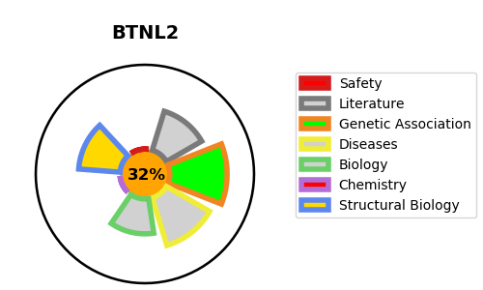
Gene_name | BTNL2 | Tractable | Tractability_probability
Synonyms | Not found | False | 32.2
Target_id | Q9UIR0 | In Training data set ?
Protein_class |  | No
Protein_class_desc
Species | Homo sapiens (Human).
Number_isoforms | 6

DISEASE |  | PATHWAYS
disease_id | disease_name | Reactome | KEGG
OMIM:612387 | SARCOIDOSIS, SUSCEPTIBILITY TO, 2 | Adaptive Immune System
 |  | Butyrophilin (BTN) family interactions
 |  | Immune System

