General info
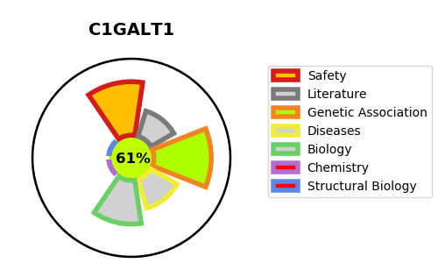
Gene_name | C1GALT1 | Tractable | Tractability_probability
Synonyms | 2.4.1.122,B3Gal-T8,Beta-1,3-galactosyltransferase,C1GALT1,C1GalT1,Core 1 O-glycan T-synthase,Core 1 UDP-galactose:N-acetylgalactosamine-alpha-R beta 1,3-galactosyltransferase 1,Core 1 beta1,3-galactosyltransferase 1,Core 1 beta3-Gal-T1,Glycoprotein-N-acetylgalactosamine 3-beta-galactosyltransferase 1 | True | 61.99
Target_id | Q9NS00 | In Training data set ?
Protein_class | Unclassified protein | No
Protein_class_desc | unclassified
Species | Homo sapiens (Human).
Number_isoforms | 2

DISEASE |  | PATHWAYS
disease_id | disease_name | Reactome | KEGG
 |  | Defective C1GALT1C1 causes Tn polyagglutination syndrome (TNPS)
 |  | Disease
 |  | Diseases associated with O-glycosylation of proteins
 |  | Diseases of glycosylation
 |  | Diseases of metabolism
 |  | Metabolism of proteins
 |  | O-linked glycosylation
 |  | O-linked glycosylation of mucins
 |  | Post-translational protein modification

