General info
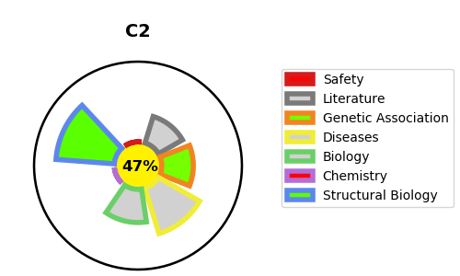
Gene_name | C2 | Tractable | Tractability_probability
Synonyms | 3.4.21.43,C2,C3/C5 convertase,Complement C2,Complement C2a fragment,Complement C2b fragment | False | 47.31
Target_id | P06681 | In Training data set ?
Protein_class | Hydrolase | No
Protein_class_desc | enzyme -> hydrolase
Species | Homo sapiens (Human).
Number_isoforms | 3

DISEASE |  | PATHWAYS
disease_id | disease_name | Reactome | KEGG
OMIM:217000 | COMPLEMENT COMPONENT 2 DEFICIENCY | Activation of C3 and C5
OMIM:615489 | MACULAR DEGENERATION, AGE-RELATED, 14 | Complement cascade
 |  | Immune System
 |  | Initial triggering of complement
 |  | Innate Immune System
 |  | Regulation of Complement cascade

