General info
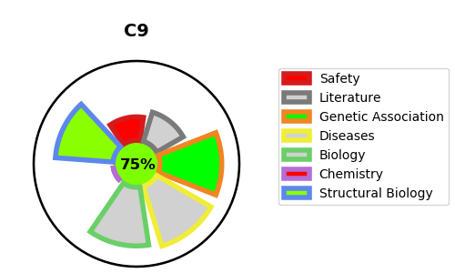
Gene_name | C9 | Tractable | Tractability_probability
Synonyms | C9,Complement component C9,Complement component C9a,Complement component C9b | True | 75.75
Target_id | P02748 | In Training data set ?
Protein_class | Unclassified protein | No
Protein_class_desc | unclassified
Species | Homo sapiens (Human).
Number_isoforms | 0

DISEASE |  | PATHWAYS
disease_id | disease_name | Reactome | KEGG
OMIM:613825 | COMPLEMENT COMPONENT 9 DEFICIENCY | Complement cascade
OMIM:615591 | MACULAR DEGENERATION, AGE-RELATED, 15 | Immune System
 |  | Innate Immune System
 |  | Regulation of Complement cascade
 |  | Terminal pathway of complement

