General info
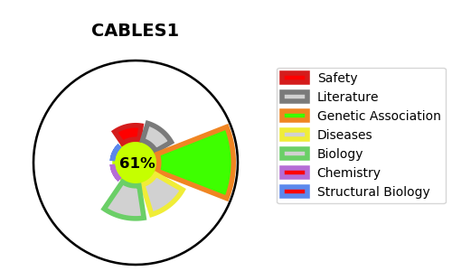
Gene_name | CABLES1 | Tractable | Tractability_probability
Synonyms | CABLES | True | 61.54
Target_id | Q8TDN4 | In Training data set ?
Protein_class |  | No
Protein_class_desc
Species | Homo sapiens (Human).
Number_isoforms | 4

DISEASE |  | PATHWAYS
disease_id | disease_name | Reactome | KEGG
 |  | Cell Cycle
 |  | Cell Cycle, Mitotic
 |  | Cyclin A:Cdk2-associated events at S phase entry
 |  | Cyclin E associated events during G1/S transition
 |  | Factors involved in megakaryocyte development and platelet production
 |  | G1/S Transition
 |  | Hemostasis
 |  | Mitotic G1 phase and G1/S transition
 |  | S Phase

