General info
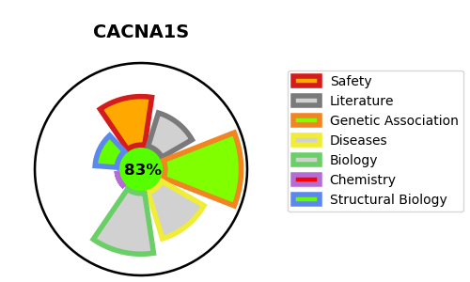
Gene_name | CACNA1S | Tractable | Tractability_probability
Synonyms | CACN1,CACNA1S,CACNL1A3,Calcium channel, L type, alpha-1 polypeptide, isoform 3, skeletal muscle,Voltage-dependent L-type calcium channel subunit alpha-1S,Voltage-gated calcium channel subunit alpha Cav1.1 | True | 83.46
Target_id | Q13698 | In Training data set ?
Protein_class | Voltage-gated calcium channel | No
Protein_class_desc | ion channel -> vgc -> vg ca
Species | Homo sapiens (Human).
Number_isoforms | 0

DISEASE |  | PATHWAYS
disease_id | disease_name | Reactome | KEGG
OMIM:170400 | HYPOKALEMIC PERIODIC PARALYSIS, TYPE 1 | Axon guidance
OMIM:188580 | THYROTOXIC PERIODIC PARALYSIS, SUSCEPTIBILITY TO, 1 | Developmental Biology
OMIM:601887 | MALIGNANT HYPERTHERMIA, SUSCEPTIBILITY TO, 5 | NCAM signaling for neurite out-growth
 |  | NCAM1 interactions
 |  | Nervous system development

