General info
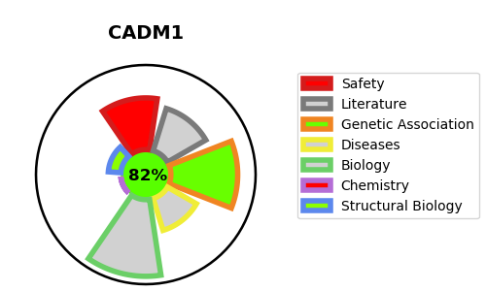
Gene_name | CADM1 | Tractable | Tractability_probability
Synonyms | IGSF4 {ECO:0000250|UniProtKB:Q8R5M8}, IGSF4A, NECL2 {ECO:0000303|PubMed:15811952}, SYNCAM {ECO:0000250|UniProtKB:Q8R5M8}, TSLC1 {ECO:0000303|PubMed:15811952} | True | 82.94
Target_id | Q9BY67 | In Training data set ?
Protein_class |  | No
Protein_class_desc
Species | Homo sapiens (Human).
Number_isoforms | 5

DISEASE |  | PATHWAYS
disease_id | disease_name | Reactome | KEGG
 |  | Adherens junctions interactions
 |  | Cell junction organization
 |  | Cell-Cell communication
 |  | Cell-cell junction organization
 |  | Nectin/Necl trans heterodimerization

