General info
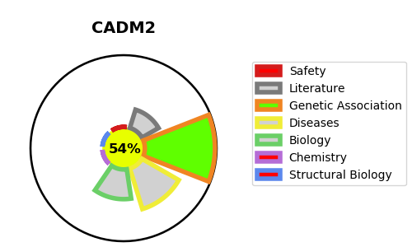
Gene_name | CADM2 | Tractable | Tractability_probability
Synonyms | IGSF4D, NECL3 | True | 54.63
Target_id | Q8N3J6 | In Training data set ?
Protein_class |  | No
Protein_class_desc
Species | Homo sapiens (Human).
Number_isoforms | 5

DISEASE |  | PATHWAYS
disease_id | disease_name | Reactome | KEGG
 |  | Adherens junctions interactions
 |  | Cell junction organization
 |  | Cell-Cell communication
 |  | Cell-cell junction organization

