General info
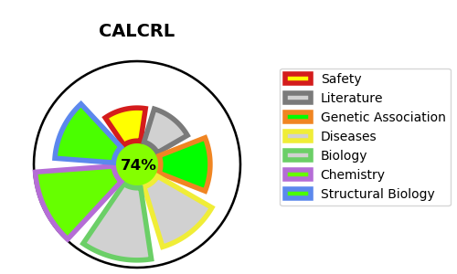
Gene_name | CALCRL | Tractable | Tractability_probability
Synonyms | CALCRL,CGRP type 1 receptor,CGRPR,Calcitonin gene-related peptide type 1 receptor,Calcitonin receptor-like receptor | True | 74.24
Target_id | Q16602 | In Training data set ?
Protein_class | Calcitonin gene-related peptide receptor | No
Protein_class_desc | membrane receptor -> 7tm2 -> peptide -> calcitonin-like -> calcitonin gene-related peptide receptor
Species | Homo sapiens (Human).
Number_isoforms | 0

DISEASE |  | PATHWAYS
disease_id | disease_name | Reactome | KEGG
OMIM:618773 | LYMPHATIC MALFORMATION 8 | ADORA2B mediated anti-inflammatory cytokines production
 |  | Anti-inflammatory response favouring Leishmania parasite infection
 |  | Calcitonin-like ligand receptors
 |  | Class B/2 (Secretin family receptors)
 |  | Disease
 |  | G alpha (s) signalling events
 |  | GPCR downstream signalling
 |  | GPCR ligand binding
 |  | Infectious disease
 |  | Leishmania infection
 |  | Leishmania parasite growth and survival
 |  | Signal Transduction
 |  | Signaling by GPCR

