General info
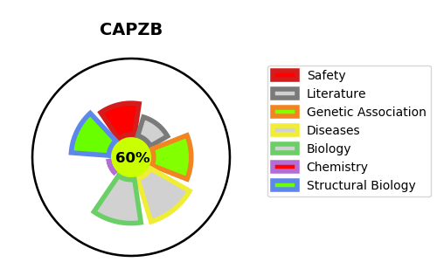
Gene_name | CAPZB | Tractable | Tractability_probability
Synonyms | CAPZB,CapZ beta,F-actin-capping protein subunit beta | True | 60.68
Target_id | P47756 | In Training data set ?
Protein_class | Unclassified protein | No
Protein_class_desc | unclassified
Species | Homo sapiens (Human).
Number_isoforms | 3

DISEASE |  | PATHWAYS
disease_id | disease_name | Reactome | KEGG
 |  | Adaptive Immune System
 |  | Asparagine N-linked glycosylation
 |  | COPI-independent Golgi-to-ER retrograde traffic
 |  | COPI-mediated anterograde transport
 |  | Cellular responses to external stimuli
 |  | Cellular responses to stress
 |  | ER to Golgi Anterograde Transport
 |  | Factors involved in megakaryocyte development and platelet production
 |  | Golgi-to-ER retrograde transport
 |  | HSP90 chaperone cycle for steroid hormone receptors (SHR)
 |  | Hemostasis
 |  | Immune System
 |  | Intra-Golgi and retrograde Golgi-to-ER traffic
 |  | MHC class II antigen presentation
 |  | Membrane Trafficking
 |  | Metabolism of proteins
 |  | Post-translational protein modification
 |  | Transport to the Golgi and subsequent modification
 |  | Vesicle-mediated transport

