General info
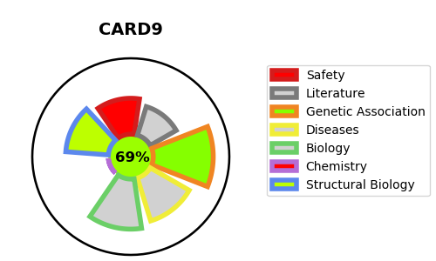
Gene_name | CARD9 | Tractable | Tractability_probability
Synonyms | Not found | True | 69.61
Target_id | Q9H257 | In Training data set ?
Protein_class |  | No
Protein_class_desc
Species | Homo sapiens (Human).
Number_isoforms | 3

DISEASE |  | PATHWAYS
disease_id | disease_name | Reactome | KEGG
OMIM:212050 | CANDIDIASIS, FAMILIAL, 2

