General info
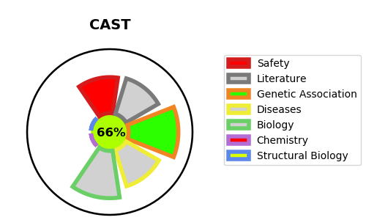
Gene_name | CAST | Tractable | Tractability_probability
Synonyms | Not found | True | 66.14
Target_id | P20810 | In Training data set ?
Protein_class |  | No
Protein_class_desc
Species | Homo sapiens (Human).
Number_isoforms | 10

DISEASE |  | PATHWAYS
disease_id | disease_name | Reactome | KEGG
OMIM:616295 | PEELING SKIN WITH LEUKONYCHIA, ACRAL PUNCTATE KERATOSES, CHEILITIS, AND KNUCKLE PADS | Degradation of the extracellular matrix
 |  | Deregulated CDK5 triggers multiple neurodegenerative pathways in Alzheimer's disease models
 |  | Disease
 |  | Diseases of programmed cell death
 |  | Extracellular matrix organization
 |  | Neurodegenerative Diseases

