General info
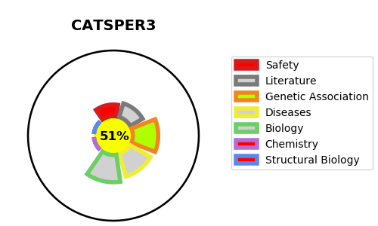
Gene_name | CATSPER3 | Tractable | Tractability_probability
Synonyms | Not found | True | 51.08
Target_id | Q86XQ3 | In Training data set ?
Protein_class |  | No
Protein_class_desc
Species | Homo sapiens (Human).
Number_isoforms | 0

DISEASE |  | PATHWAYS
disease_id | disease_name | Reactome | KEGG
 |  | Fertilization
 |  | Reproduction
 |  | Sperm Motility And Taxes

