General info
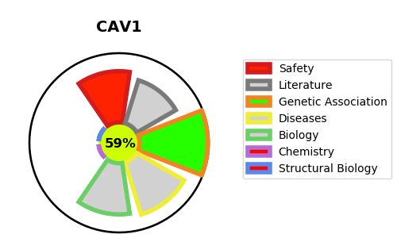
Gene_name | CAV1 | Tractable | Tractability_probability
Synonyms | CAV,CAV1,Caveolin-1 | True | 59.63
Target_id | Q03135 | In Training data set ?
Protein_class | Unclassified protein | No
Protein_class_desc | unclassified
Species | Homo sapiens (Human).
Number_isoforms | 2

DISEASE |  | PATHWAYS
disease_id | disease_name | Reactome | KEGG
OMIM:606721 | LIPODYSTROPHY, FAMILIAL PARTIAL, TYPE 7 | Basigin interactions
OMIM:612526 | LIPODYSTROPHY, CONGENITAL GENERALIZED, TYPE 3 | Cell surface interactions at the vascular wall
OMIM:615343 | PULMONARY HYPERTENSION, PRIMARY, 3 | Disassembly of the destruction complex and recruitment of AXIN to the membrane
 |  | ESR-mediated signaling
 |  | Extra-nuclear estrogen signaling
 |  | FOXO-mediated transcription
 |  | FOXO-mediated transcription of cell cycle genes
 |  | Gene expression (Transcription)
 |  | Generic Transcription Pathway
 |  | Hemostasis
 |  | Metabolism
 |  | Metabolism of lipids
 |  | Metabolism of nitric oxide: NOS3 activation and regulation
 |  | NOSTRIN mediated eNOS trafficking
 |  | RNA Polymerase II Transcription
 |  | Signal Transduction
 |  | Signaling by Nuclear Receptors
 |  | Signaling by Receptor Tyrosine Kinases
 |  | Signaling by VEGF
 |  | Signaling by WNT
 |  | TCF dependent signaling in response to WNT
 |  | Triglyceride catabolism
 |  | Triglyceride metabolism
 |  | VEGFA-VEGFR2 Pathway
 |  | VEGFR2 mediated vascular permeability
 |  | eNOS activation

