General info
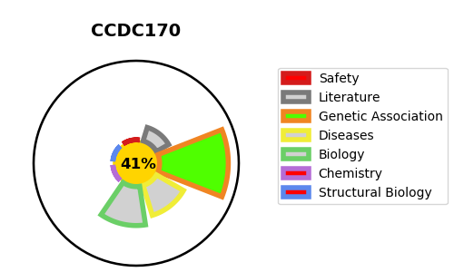
Gene_name | CCDC170 | Tractable | Tractability_probability
Synonyms | C6orf97 | False | 41.59
Target_id | Q8IYT3 | In Training data set ?
Protein_class |  | No
Protein_class_desc
Species | Homo sapiens (Human).
Number_isoforms | 0

DISEASE |  | PATHWAYS
disease_id | disease_name | Reactome | KEGG

