General info
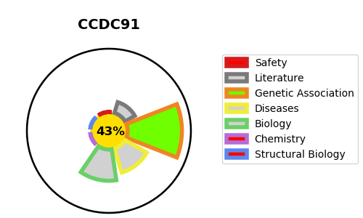
Gene_name | CCDC91 | Tractable | Tractability_probability
Synonyms | GGABP | False | 43.59
Target_id | Q7Z6B0 | In Training data set ?
Protein_class |  | No
Protein_class_desc
Species | Homo sapiens (Human).
Number_isoforms | 3

DISEASE |  | PATHWAYS
disease_id | disease_name | Reactome | KEGG

