General info
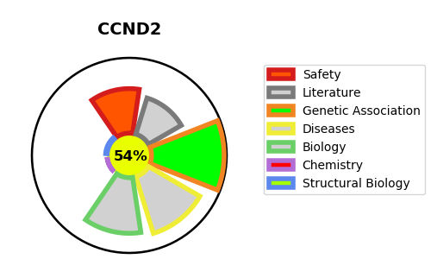
Gene_name | CCND2 | Tractable | Tractability_probability
Synonyms | 2.7.11.22,CDK6,CDKN6,Cell division protein kinase 6,Cyclin-dependent kinase 6,Serine/threonine-protein kinase PLSTIRE,CCND2,G1/S-specific cyclin-D2 | True | 54.32
Target_id | P30279 | In Training data set ?
Protein_class | CMGC protein kinase group | No
Protein_class_desc | enzyme -> kinase -> protein kinase -> cmgc
Species | Homo sapiens (Human).
Number_isoforms | 2

DISEASE |  | PATHWAYS
disease_id | disease_name | Reactome | KEGG
OMIM:615938 | MEGALENCEPHALY-POLYMICROGYRIA-POLYDACTYLY-HYDROCEPHALUS SYNDROME 3 | Aberrant regulation of mitotic G1/S transition in cancer due to RB1 defects
 |  | Aberrant regulation of mitotic cell cycle due to RB1 defects
 |  | Cell Cycle
 |  | Cell Cycle, Mitotic
 |  | Cyclin D associated events in G1
 |  | Defective binding of RB1 mutants to E2F1,(E2F2, E2F3)
 |  | Disease
 |  | Diseases of mitotic cell cycle
 |  | G1 Phase
 |  | Gene expression (Transcription)
 |  | Generic Transcription Pathway
 |  | Mitotic G1 phase and G1/S transition
 |  | RNA Polymerase II Transcription
 |  | Regulation of RUNX1 Expression and Activity
 |  | Transcriptional regulation by RUNX1

