General info
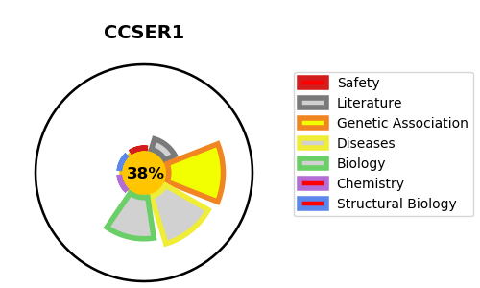
Gene_name | CCSER1 | Tractable | Tractability_probability
Synonyms | FAM190A, KIAA1680 | False | 38.92
Target_id | Q9C0I3 | In Training data set ?
Protein_class |  | No
Protein_class_desc
Species | Homo sapiens (Human).
Number_isoforms | 2

DISEASE |  | PATHWAYS
disease_id | disease_name | Reactome | KEGG

