General info
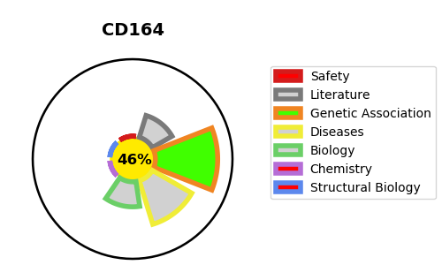
Gene_name | CD164 | Tractable | Tractability_probability
Synonyms | Not found | False | 46.04
Target_id | Q04900 | In Training data set ?
Protein_class |  | No
Protein_class_desc
Species | Homo sapiens (Human).
Number_isoforms | 5

DISEASE |  | PATHWAYS
disease_id | disease_name | Reactome | KEGG
OMIM:616969 | DEAFNESS, AUTOSOMAL DOMINANT 66

