General info
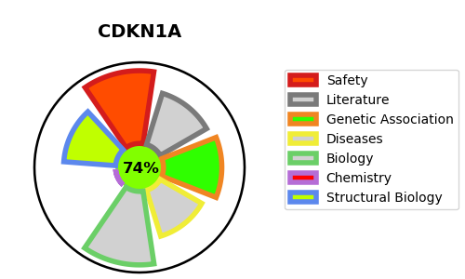
Gene_name | CDKN1A | Tractable | Tractability_probability
Synonyms | CAP20,CDK-interacting protein 1,CDKN1,CDKN1A,CIP1,Cyclin-dependent kinase inhibitor 1,MDA-6,MDA6,Melanoma differentiation-associated protein 6,PIC1,SDI1,WAF1,p21 | True | 74.81
Target_id | P38936 | In Training data set ?
Protein_class | Other cytosolic protein | Yes
Protein_class_desc | cytosolic other
Species | Homo sapiens (Human).
Number_isoforms | 0

DISEASE |  | PATHWAYS
disease_id | disease_name | Reactome | KEGG
 |  | AKT phosphorylates targets in the cytosol
 |  | Aberrant regulation of mitotic G1/S transition in cancer due to RB1 defects
 |  | Aberrant regulation of mitotic cell cycle due to RB1 defects
 |  | Cell Cycle
 |  | Cell Cycle Checkpoints
 |  | Cell Cycle, Mitotic
 |  | Cellular Senescence
 |  | Cellular responses to external stimuli
 |  | Cellular responses to stress
 |  | Constitutive Signaling by AKT1 E17K in Cancer
 |  | Cyclin A:Cdk2-associated events at S phase entry
 |  | Cyclin D associated events in G1
 |  | Cyclin E associated events during G1/S transition
 |  | Cytokine Signaling in Immune system
 |  | DNA Damage/Telomere Stress Induced Senescence
 |  | Defective binding of RB1 mutants to E2F1,(E2F2, E2F3)
 |  | Developmental Biology
 |  | Disease
 |  | Diseases of mitotic cell cycle
 |  | Diseases of signal transduction by growth factor receptors and second messengers
 |  | FOXO-mediated transcription
 |  | FOXO-mediated transcription of cell cycle genes
 |  | G1 Phase
 |  | G1/S DNA Damage Checkpoints
 |  | G1/S Transition
 |  | G2/M Transition
 |  | Gene expression (Transcription)
 |  | Generic Transcription Pathway
 |  | Immune System
 |  | Interleukin-4 and Interleukin-13 signaling
 |  | Intracellular signaling by second messengers
 |  | Mitotic G1 phase and G1/S transition
 |  | Mitotic G2-G2/M phases
 |  | PI3K/AKT Signaling in Cancer
 |  | PIP3 activates AKT signaling
 |  | RNA Polymerase II Transcription
 |  | RUNX3 regulates CDKN1A transcription
 |  | S Phase
 |  | SCF(Skp2)-mediated degradation of p27/p21
 |  | Senescence-Associated Secretory Phenotype (SASP)
 |  | Signal Transduction
 |  | Signaling by Interleukins
 |  | TFAP2 (AP-2) family regulates transcription of cell cycle factors
 |  | TP53 Regulates Transcription of Cell Cycle Genes
 |  | TP53 Regulates Transcription of Genes Involved in G1 Cell Cycle Arrest
 |  | The role of GTSE1 in G2/M progression after G2 checkpoint
 |  | Transcriptional activation of cell cycle inhibitor p21
 |  | Transcriptional Regulation by TP53
 |  | Transcriptional activation of p53 responsive genes
 |  | Transcriptional regulation by RUNX2
 |  | Transcriptional regulation by RUNX3
 |  | Transcriptional regulation by the AP-2 (TFAP2) family of transcription factors
 |  | Transcriptional regulation of granulopoiesis
 |  | p53-Dependent G1 DNA Damage Response
 |  | p53-Dependent G1/S DNA damage checkpoint

