General info
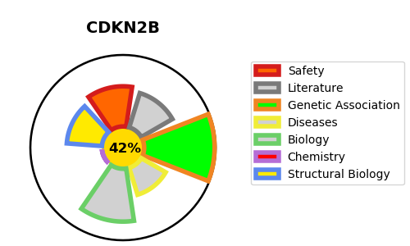
Gene_name | CDKN2B | Tractable | Tractability_probability
Synonyms | MTS2 | False | 42.85
Target_id | P42772 | In Training data set ?
Protein_class |  | Yes
Protein_class_desc
Species | Homo sapiens (Human).
Number_isoforms | 2

DISEASE |  | PATHWAYS
disease_id | disease_name | Reactome | KEGG
 |  | Cell Cycle
 |  | Cell Cycle, Mitotic
 |  | Cellular Senescence
 |  | Cellular responses to external stimuli
 |  | Cellular responses to stress
 |  | Cyclin D associated events in G1
 |  | G1 Phase
 |  | Gene expression (Transcription)
 |  | Generic Transcription Pathway
 |  | Mitotic G1 phase and G1/S transition
 |  | Oncogene Induced Senescence
 |  | Oxidative Stress Induced Senescence
 |  | RNA Polymerase II Transcription
 |  | SMAD2/SMAD3:SMAD4 heterotrimer regulates transcription
 |  | Senescence-Associated Secretory Phenotype (SASP)
 |  | Signal Transduction
 |  | Signaling by TGF-beta Receptor Complex
 |  | Signaling by TGFB family members
 |  | Transcriptional activity of SMAD2/SMAD3:SMAD4 heterotrimer

