General info
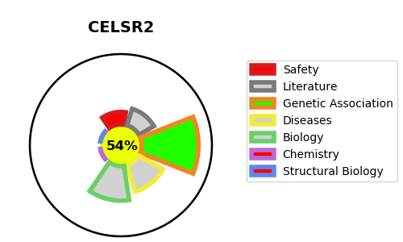
Gene_name | CELSR2 | Tractable | Tractability_probability
Synonyms | CDHF10, EGFL2, KIAA0279, MEGF3 | True | 54.2
Target_id | Q9HCU4 | In Training data set ?
Protein_class |  | No
Protein_class_desc
Species | Homo sapiens (Human).
Number_isoforms | 0

DISEASE |  | PATHWAYS
disease_id | disease_name | Reactome | KEGG

