General info
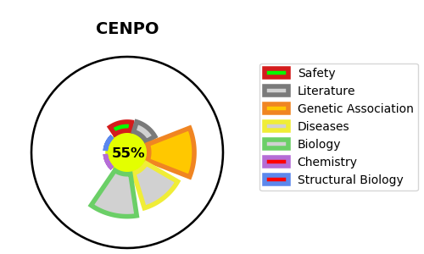
Gene_name | CENPO | Tractable | Tractability_probability
Synonyms | ICEN36, MCM21R | True | 55.66
Target_id | Q9BU64 | In Training data set ?
Protein_class |  | No
Protein_class_desc
Species | Homo sapiens (Human).
Number_isoforms | 2

DISEASE |  | PATHWAYS
disease_id | disease_name | Reactome | KEGG
 |  | Amplification of signal from unattached kinetochores via a MAD2 inhibitory signal
 |  | Amplification of signal from the kinetochores
 |  | Cell Cycle
 |  | Cell Cycle Checkpoints
 |  | Cell Cycle, Mitotic
 |  | Chromosome Maintenance
 |  | Deposition of new CENPA-containing nucleosomes at the centromere
 |  | EML4 and NUDC in mitotic spindle formation
 |  | M Phase
 |  | Mitotic Anaphase
 |  | Mitotic Metaphase and Anaphase
 |  | Mitotic Prometaphase
 |  | Mitotic Spindle Checkpoint
 |  | Nucleosome assembly
 |  | RHO GTPase Effectors
 |  | RHO GTPases Activate Formins
 |  | Resolution of Sister Chromatid Cohesion
 |  | Separation of Sister Chromatids
 |  | Signal Transduction
 |  | Signaling by Rho GTPases

